Requirements
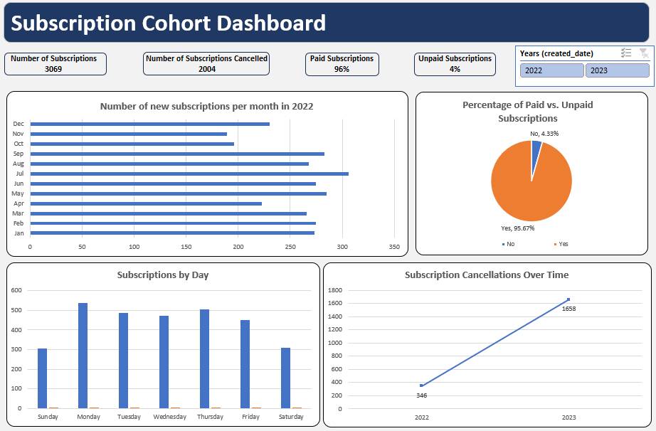
Instructions for Students:
Data Prepration:
1. Create a new column Cancellation Duration. This will contain the difference between date created and cancelled in days.
2. Create another column to show the weekday when the subscription was created.
Data Analysis Tasks:
1. Calculate the total number of subscriptions and cancellations.
2. Determine the percentage of paid vs. unpaid subscriptions.
3. Analyze the average subscription duration before cancellation.
4. Identify the date with the highest number of new subscriptions.
5. Find the proportion of subscriptions that were canceled within one day.
Visualization & Reporting:
1. Create a bar chart showing the number of new subscriptions per month for year 2022.
2. Generate a pie chart displaying the percentage of paid vs. unpaid subscriptions.
3. Plot a line graph of subscription cancellations over time.
Questions for Analysis:
1. Which date had the highest number of subscriptions cancellations?
2. How many subscriptions were canceled on the same day they were created?
3. What is the cancellation rate within the first two days of subscription?
4. How many subscriptions lasted more than one month?
5. What is the most common duration before cancellation?
6. How does the number of subscriptions vary by day?
7. Are there any indications that unpaid subscriptions have a higher cancellation rate?
Prepare a Dashboard based on your findings.

Expected Dashboard

dashbord_feeder
1. Create a bar chart showing the number of new subscriptions per month for year 2022.

 |  |  | Title | Column Labels
 |  |  | Number of new subcription in month | 2022

 |  |  | Number of new subcription in month 2022

 | Row Labels | Count of customer_id
 | Sep | 217
 | Oct | 196
 | Nov | 189
 | Dec | 230
 | Grand Total | 832

2. Make it Pie chart and Determine the percentage of paid vs. unpaid subscriptions.

 | Row Labels | Count of was_subscription_paid
 | No | 4.33%
 | Yes | 95.67%
 | Grand Total | 100.00%

3 | Subscription by Day Pivot Table

 | Row Labels | Count of customer_id
 | Sunday | 306
 | Saturday | 308
 | Friday | 452
 | Thursday | 505
 | Wednesday | 472
 | Tuesday | 487
 | Monday | 539
 | Grand Total | 3069

4 | Subscrition over the time

 | Row Labels | Count of customer_id
 |  | 1065
 | 2022 | 346
 | 2023 | 1658
 | Grand Total | 3069

5 | Total no of suscription

 | Row Labels | Count of customer_id
 | 2022 | 832
 | 2023 | 2237
 | Grand Total | 3069

6 | Total no of subscription cancel

 | Count of canceled_date
 | 2004

7 | paid and unpiad subscription

 | Row Labels | Count of was_subscription_paid
 | No | 4.33%
 | Yes | 95.67%
 | Grand Total | 100.00%

 | Series1
1 | 3069

Dashboard
Subcription Cohort Dashboard

Total Nunber of Subscription 3069
Number of Subscription Cancel 2004
Paid Subscription 96%
Unpaid Subscription
4%

Number of new subcription in month 2022
 | Total
Sep | 217
Oct | 196
Nov | 189
Dec | 230
Percentage of Paid vs Unpaid Subscription
 | Total
No | 4.33%
Yes | 95.67%

Subscription Cancellations Over Time
 | Total
 | 1065
2022 | 346
2023 | 1658
 | Total
Sunday | 306
Saturday | 308
Friday | 452
Thursday | 505
Wednesday | 472
Tuesday | 487
Monday | 539

